ABISEKA (FRESH MILK)
DATE | INV NO. | DESCRIPTION | QUANTITY | PRICE | BILLS | SUBTOTAL | TOTAL | DUE DATE | PAYMENT STATUS
7-Feb-2026 | 8045 | FRESH MILK | 70 | IDR 13,500 | 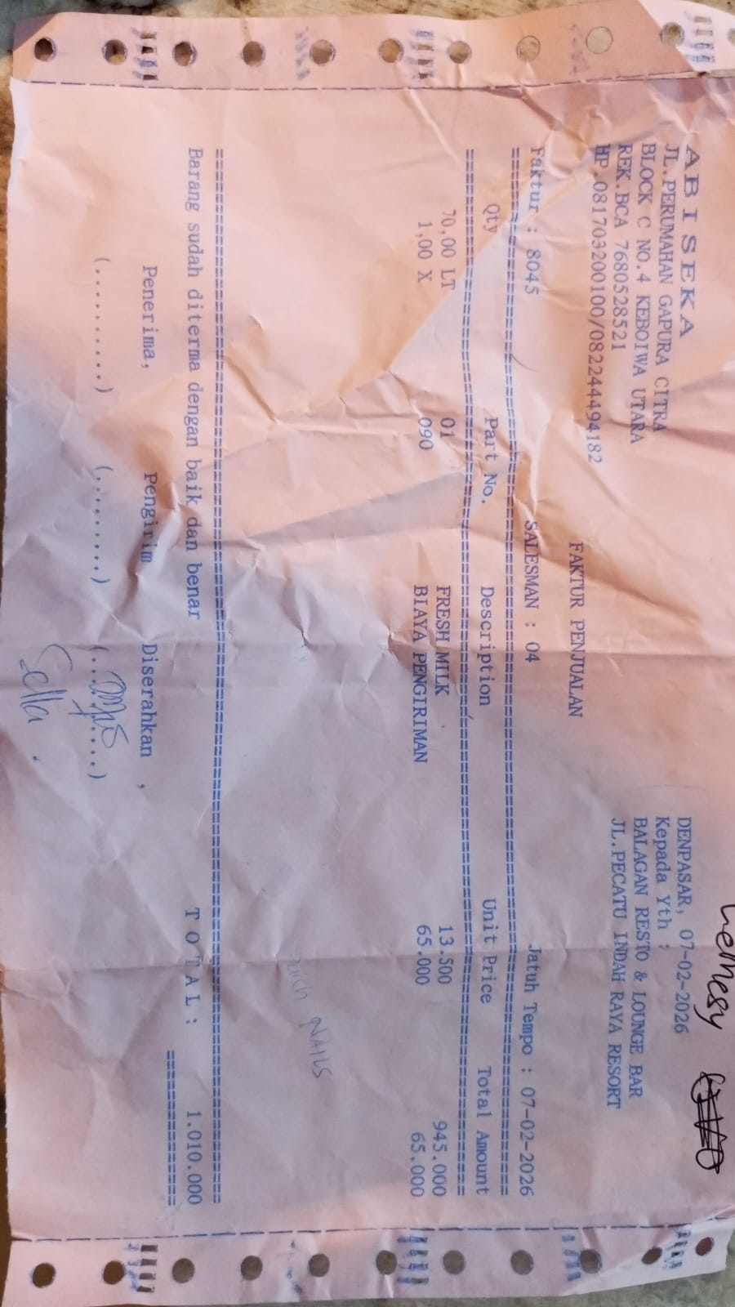 | IDR 945,000 | IDR 1,010,000 | 2026-02-21 | PAID
 |  | DELIVERY COST | 1 | IDR 65,000 |  | IDR 65,000
20-Feb-2026 | 8269 | FRESH MILK | 15 | IDR 13,500 | 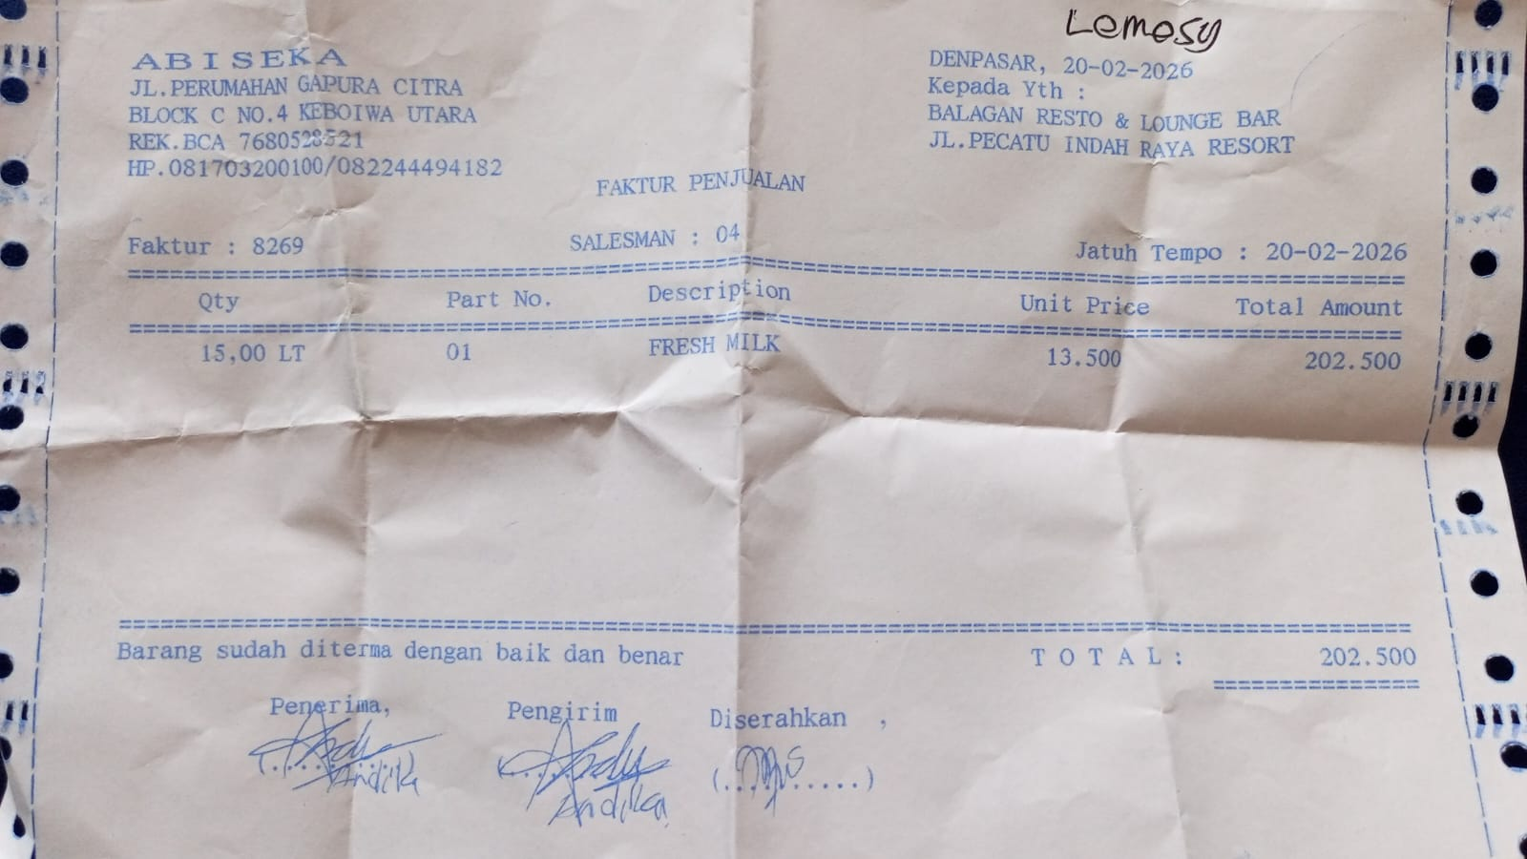 | IDR 202,500 | IDR 202,500 | 2026-03-06 | UNPAID
22-Feb-2026 | 8303 | FRESH MILK | 15 | IDR 13,500 | 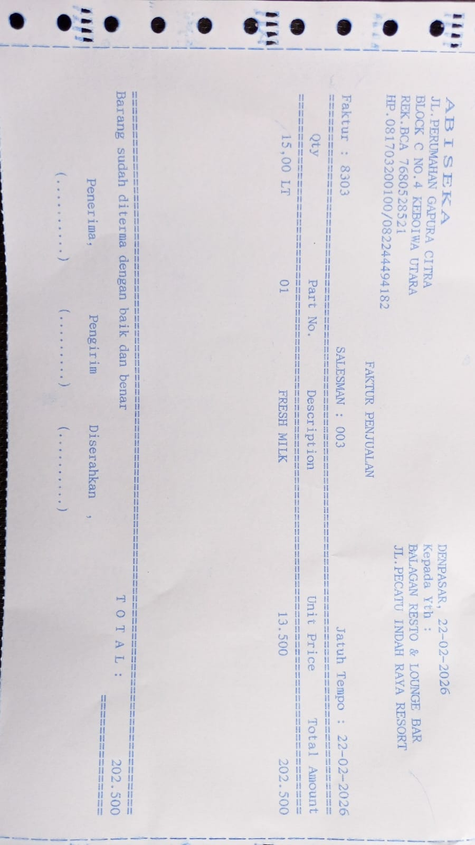 | IDR 202,500 | IDR 202,500 | 2026-03-08 | UNPAID
23-Feb-2026 | 8325 | FRESH MILK | 70 | IDR 13,500 | 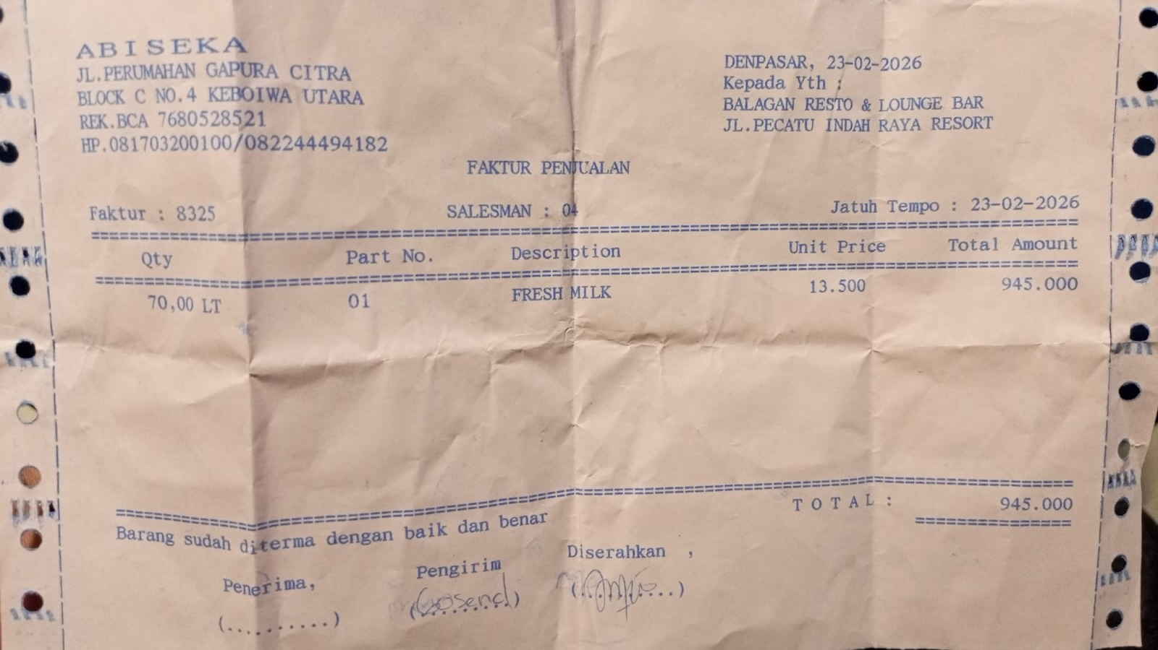 | IDR 945,000 | IDR 945,000 | 2026-03-09 | UNPAID
 |  |  |  |  |  | IDR - | IDR -
 |  |  |  |  |  | IDR - | IDR -
 |  |  |  |  |  | IDR - | IDR -
 |  |  |  |  |  | IDR - | IDR -
 |  |  |  |  |  | IDR - | IDR -
 |  |  |  |  |  | IDR - | IDR -
 |  |  |  |  |  | IDR - | IDR -
 |  |  |  |  |  | IDR - | IDR -
 |  |  |  |  |  | IDR - | IDR -
 |  |  |  |  |  | IDR - | IDR -
 |  |  |  |  |  | IDR - | IDR -
 |  |  |  |  |  | IDR - | IDR -
 |  |  |  |  |  | IDR - | IDR -
 |  |  |  |  |  | IDR - | IDR -
 |  |  |  |  |  | IDR - | IDR -
 |  |  |  |  |  | IDR - | IDR -
 |  |  |  |  |  | IDR - | IDR -
 |  |  |  | Rp1,350,000

